Timing
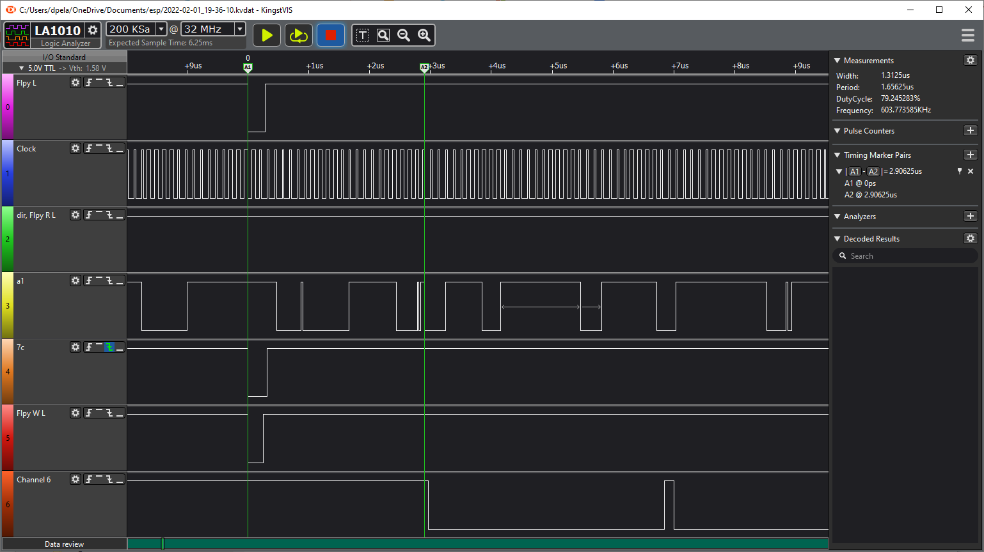
First Design - didn't work. Channel 6 is CMD signal
Signal | MHz | ns
Clock | 8.0 | 125.0
7c pulse |  | 312.7
7C down to CMD down |  | 2906.2
CMD pulse 1 |  | 156.2
CMD down pulse |  | 3875.0
CMD pulse 2 |  | 531.3
CMD pulse 3 |  | 812.5

CMD pulse is written by Interrupt routine

